contract
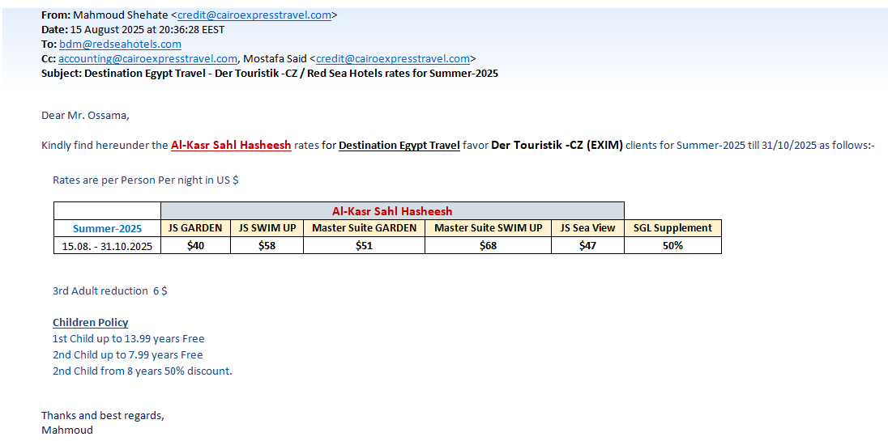
first date | second date | JSGV-SGL | JSGV-DBL | JSGV-DBL-CH | JSGV-TPL
2025-08-15 | 2025-10-31 | 60 | 80 | 100 | 114

